UI Changes
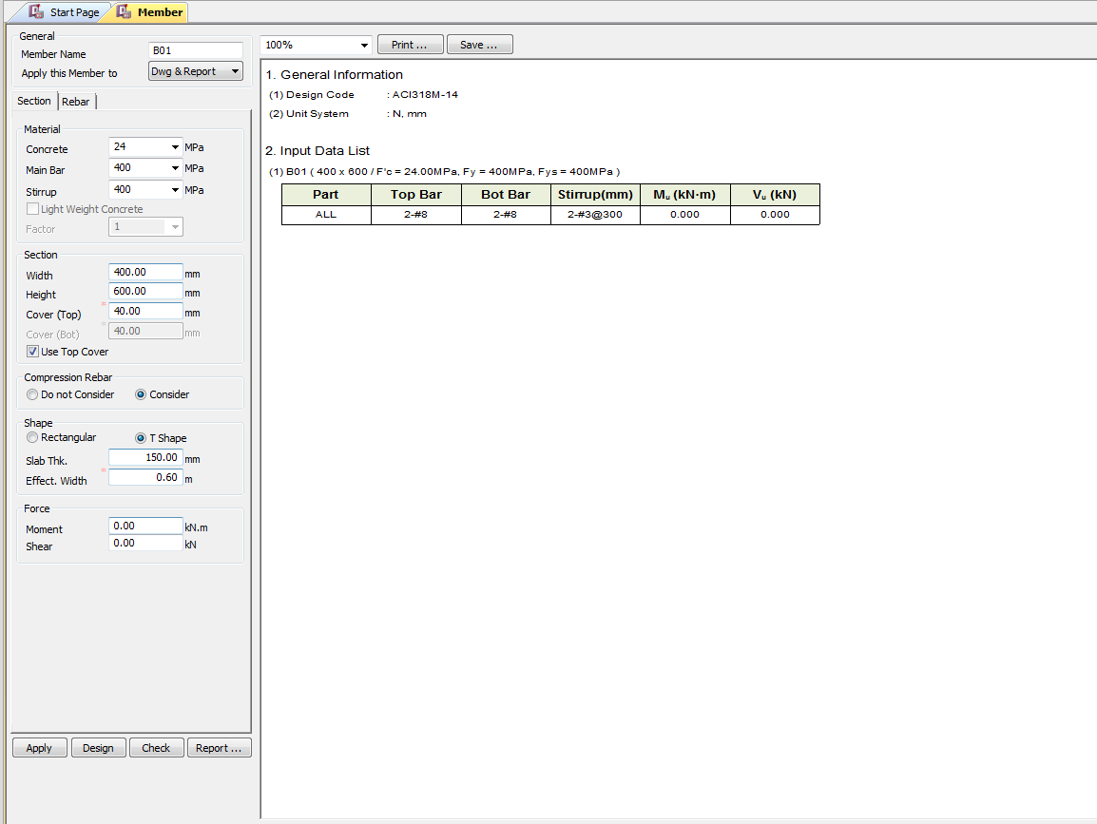
 |  | Required Changes in UI

PROJECT MODE |  |  |  |  |  | SIMPLE MODE |  |  |  | CHECKMODE
SAME GUI + ADDITIONAL FEATURES IF REQUIRED
TORSION INPUT FROM TABLE |  |  |  |  |  | TORSION INPUT BOX

 |  |  |  |  |  |  |  |  | Torsion data Box |  | Torsion data Box

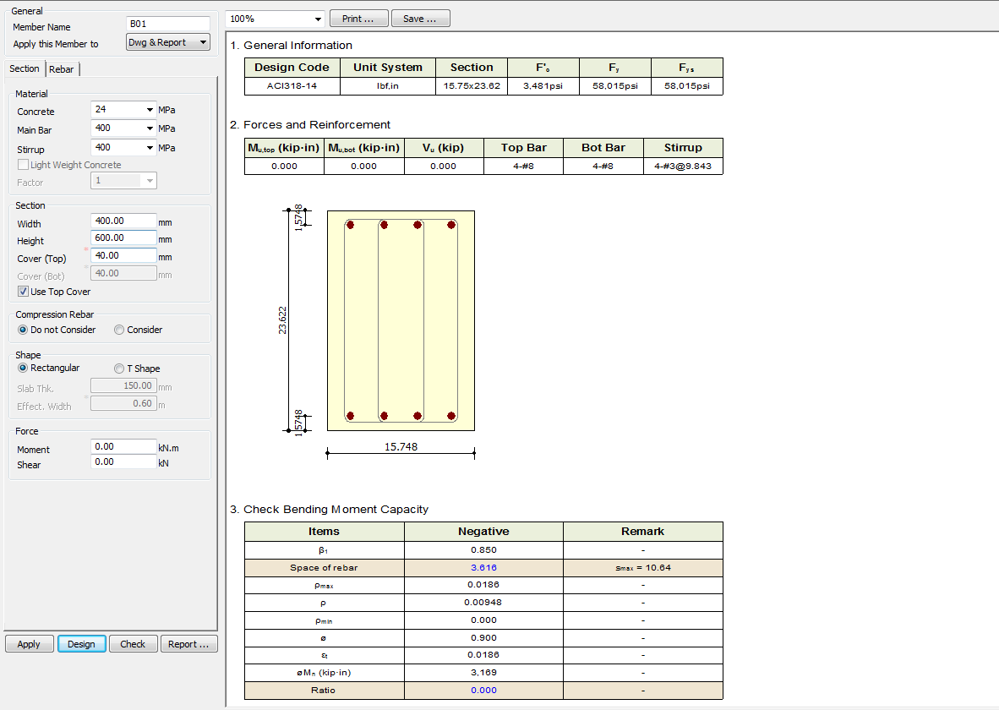
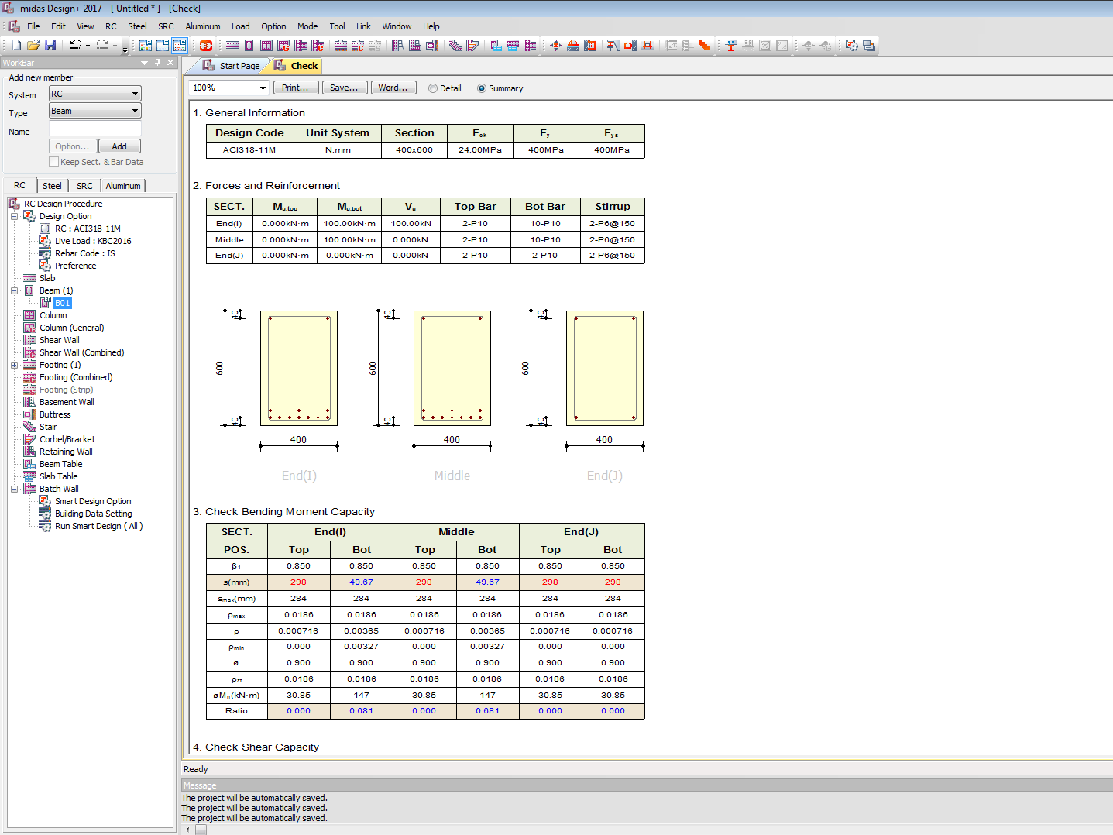

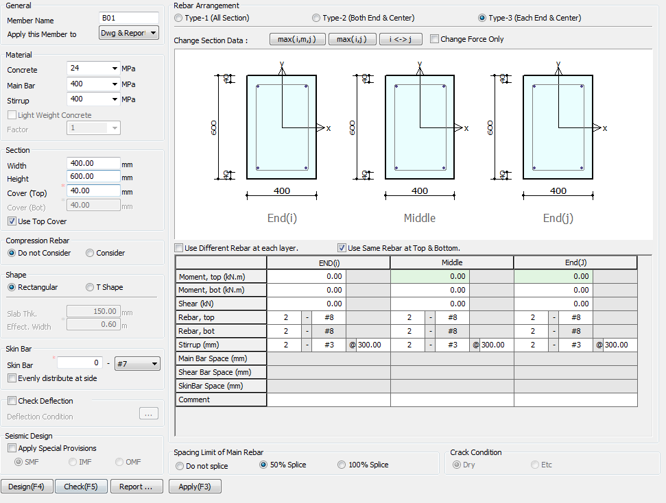

 |  |  |  |  |  |  | TORSION INPUT BOX

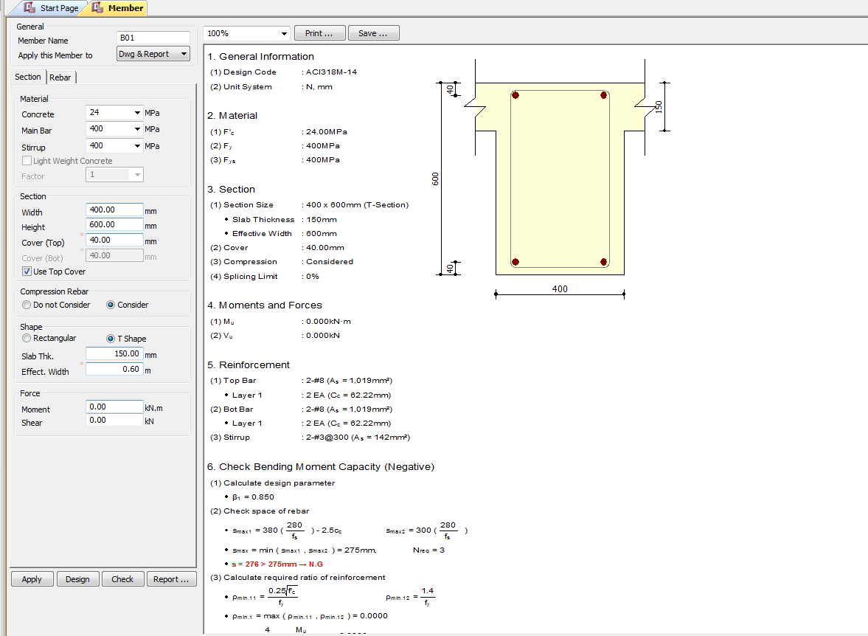
 |  |  |  |  | TORSION INPUT JUST BELOW SHEAR BOX
 | Rename skin bar with side face reinforcement

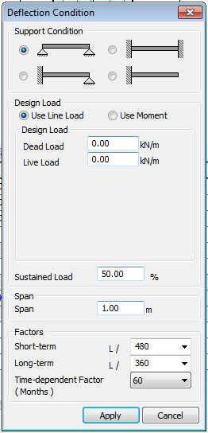

 |  |  |  | Change UI for deflection limit

 |  |  |  | 250, 350

 |  |  | 7, 28, 365 days for creep deflection

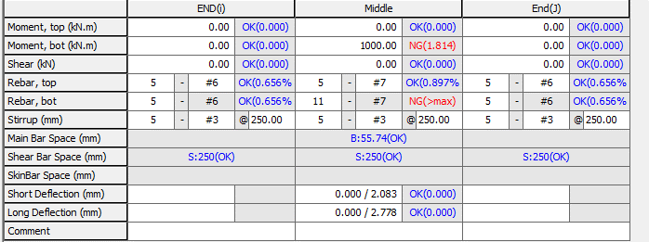

 |  |  |  | Change short and long term defelction to Total Deflection
 |  |  |  |  |  |  |  | Include Torsion data

UI CHECK
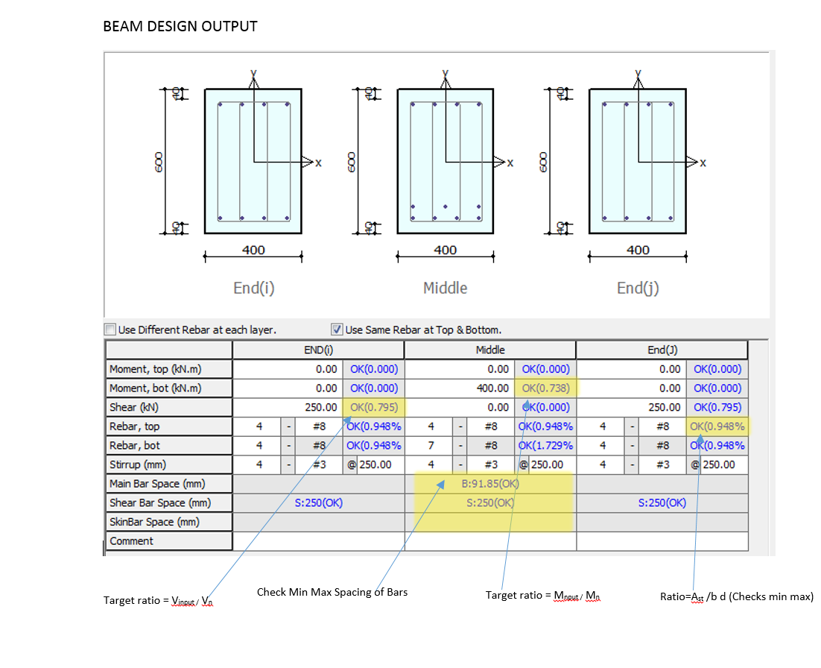
UI Checking

 | Checks the Input shear to section shear Capacity ratio
 | Checks the Input Moment toMoment section Capacity ratio
 | Check Min Max spacing of Bar
 | Check Min Max Area of steel
 | Check Deflection Limit as per code

CODE PROVISIONS
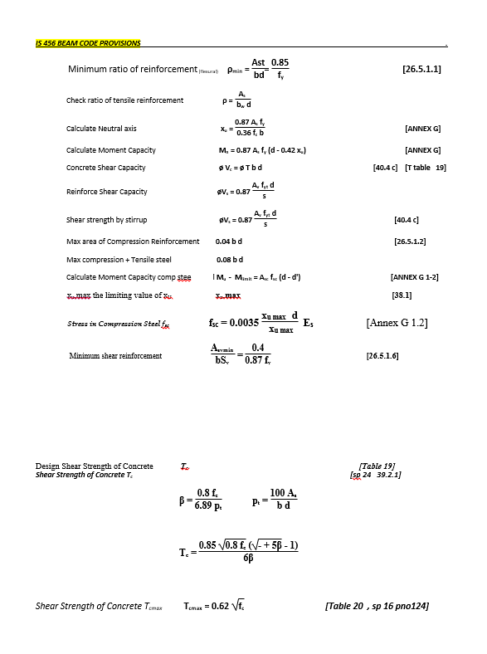
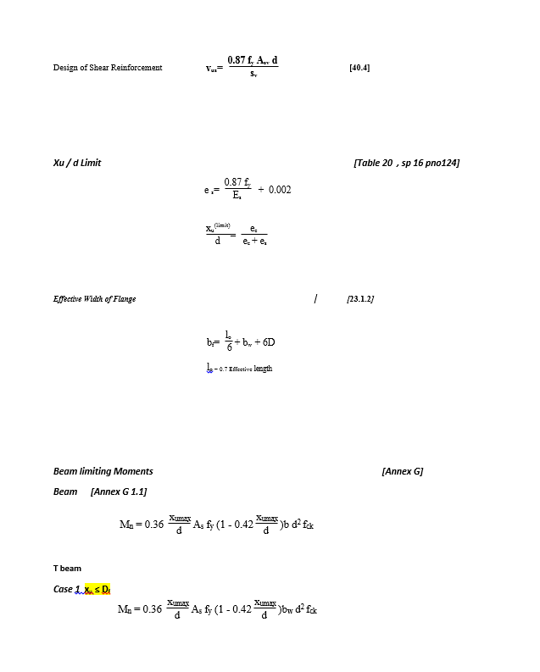
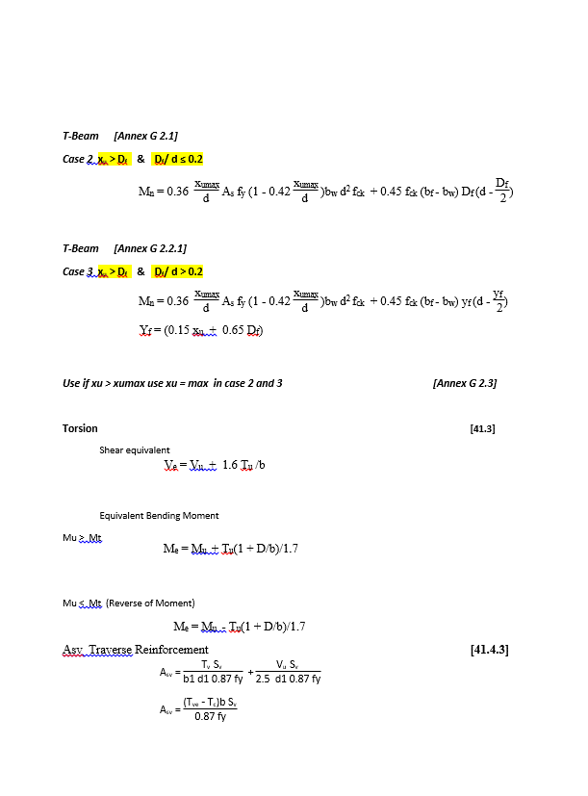
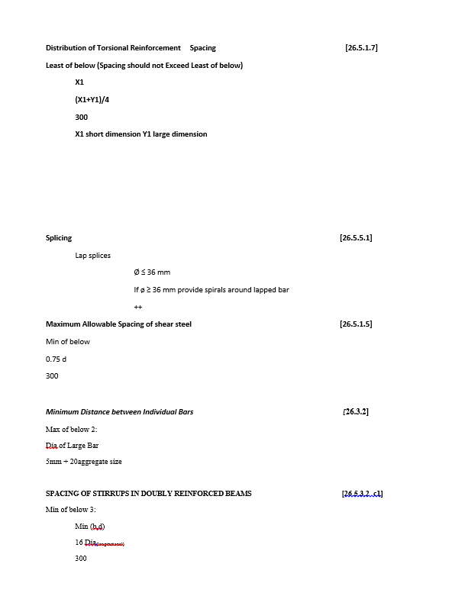
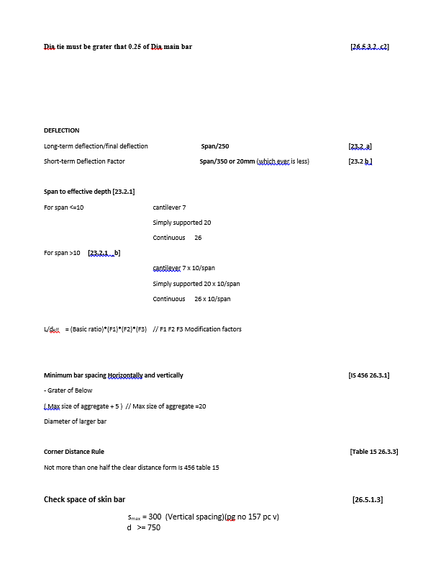
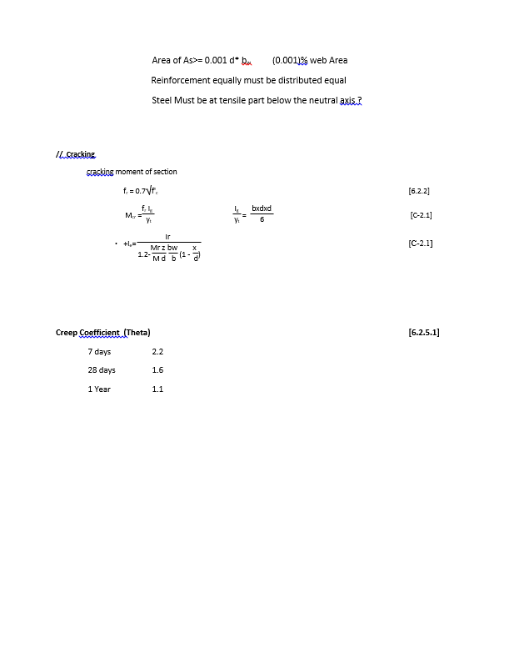
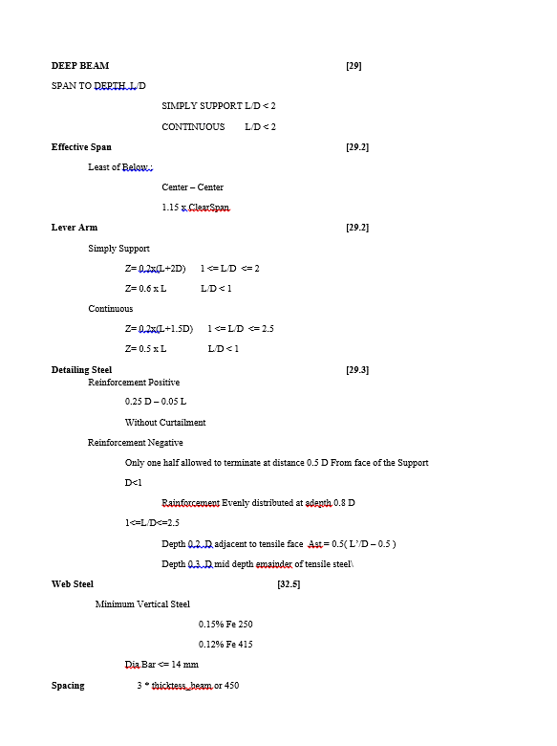
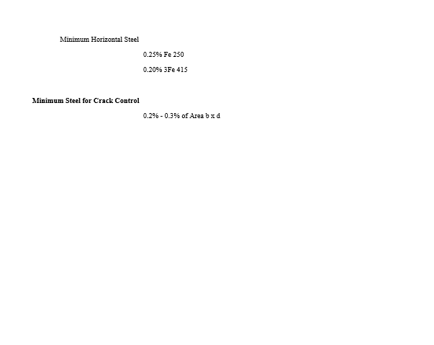
CODE PROVISION

IS 456 2000 CODE PROVISIONS
SP 16
SP 24

Flow Chart
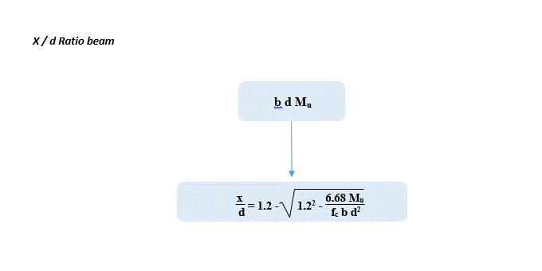
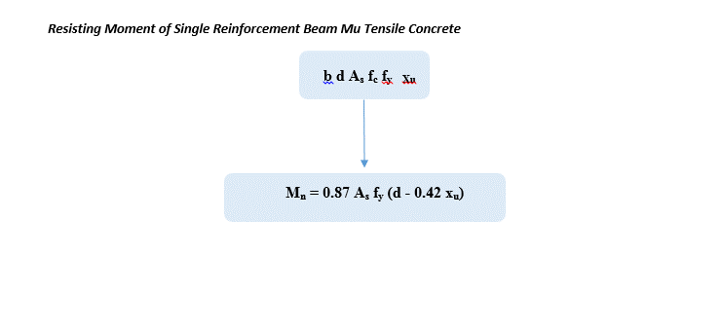
Flow Chart

FLOW CHARTS FOR EACH STEPS

Single Reinforcement
Double Reinforcement
T & L Beam
Deep Beam

 |  | DESIGN ALGORITHERM
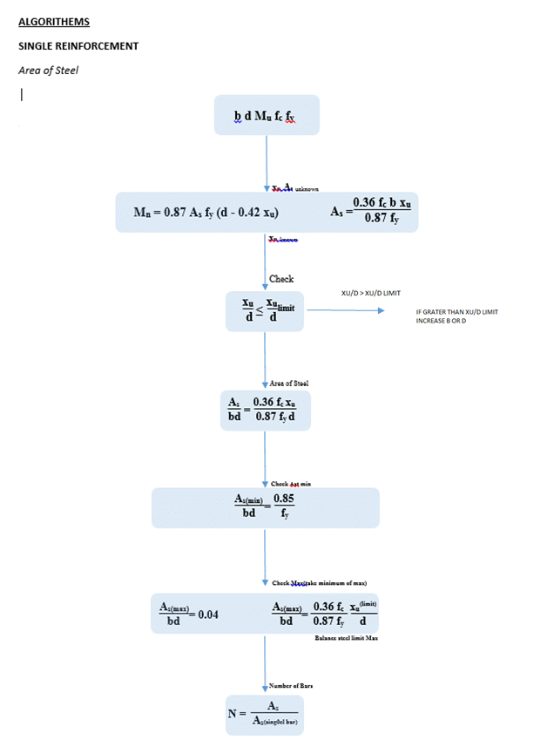
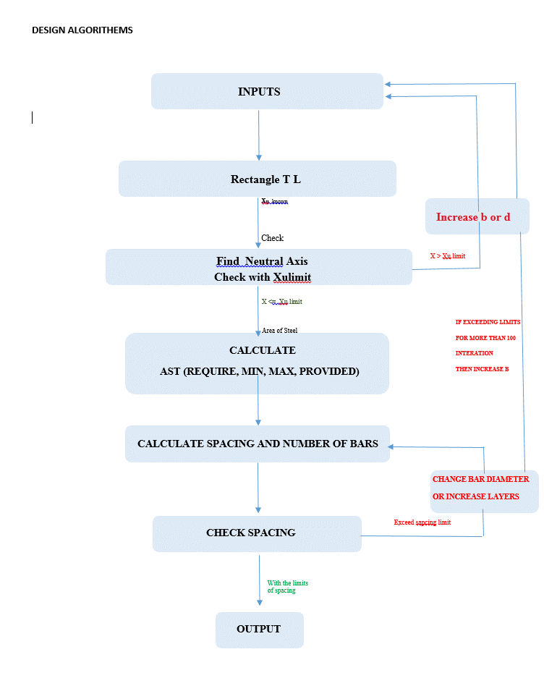

 |  |  | IF LAYERS INCRESASE, LEVER ARM CHANGES , CHECK FOR MOMENT CAPACITY

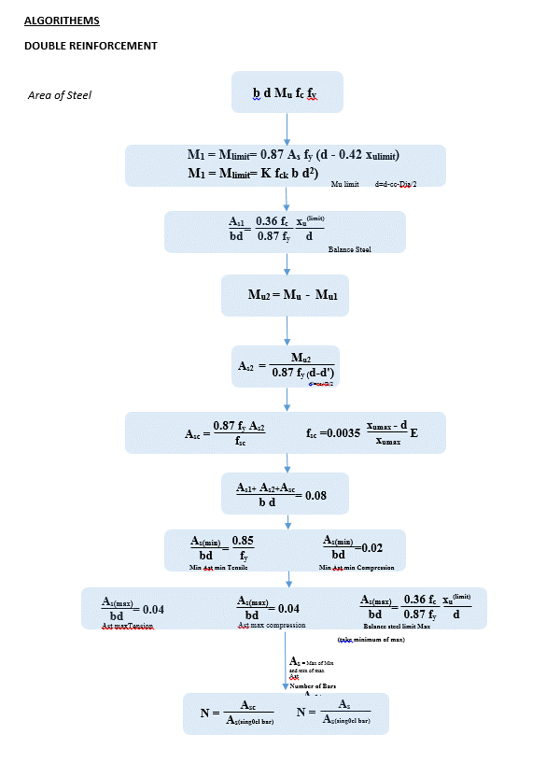

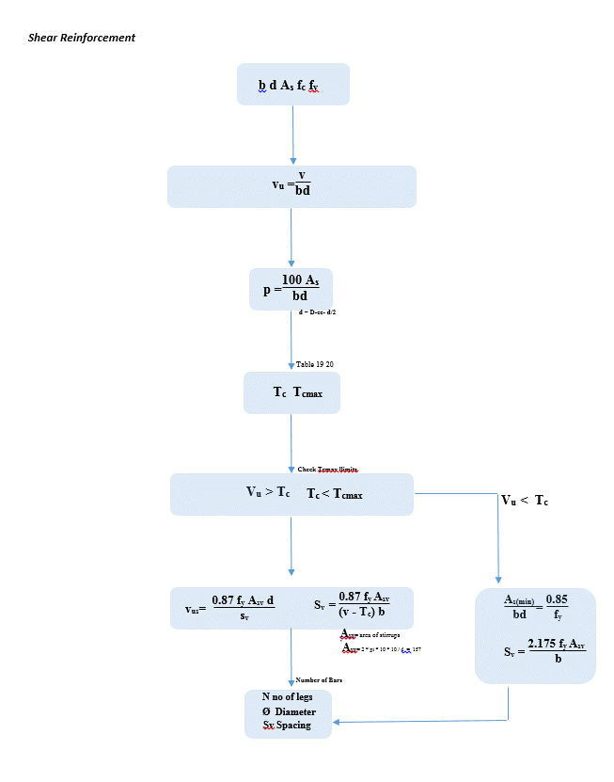

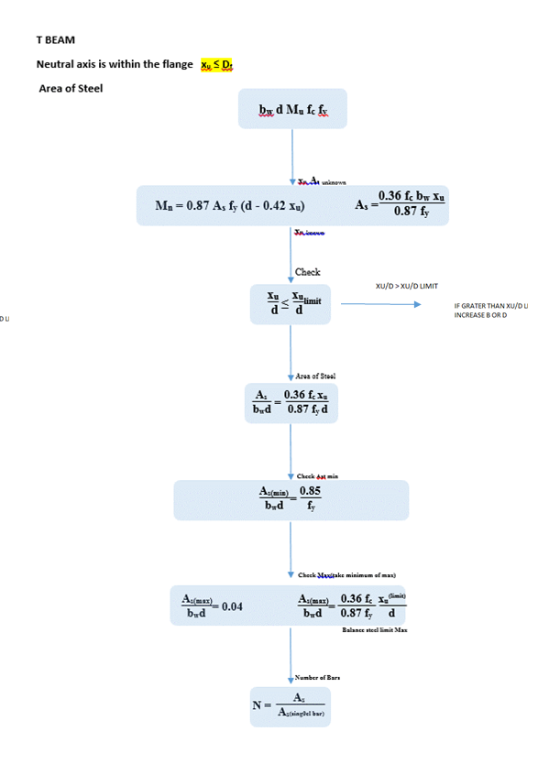

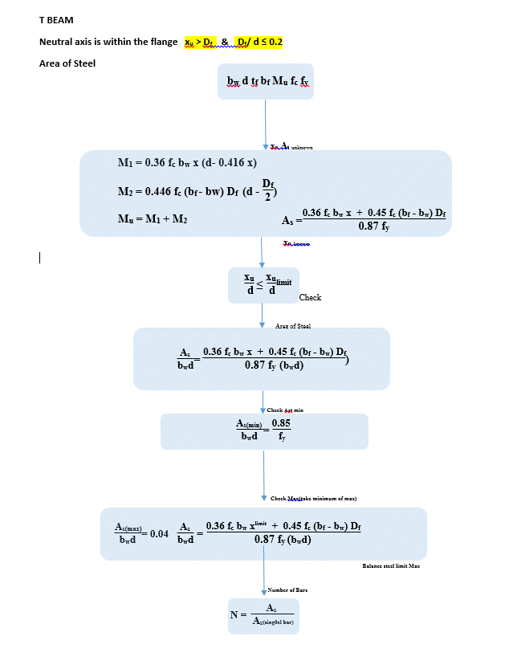

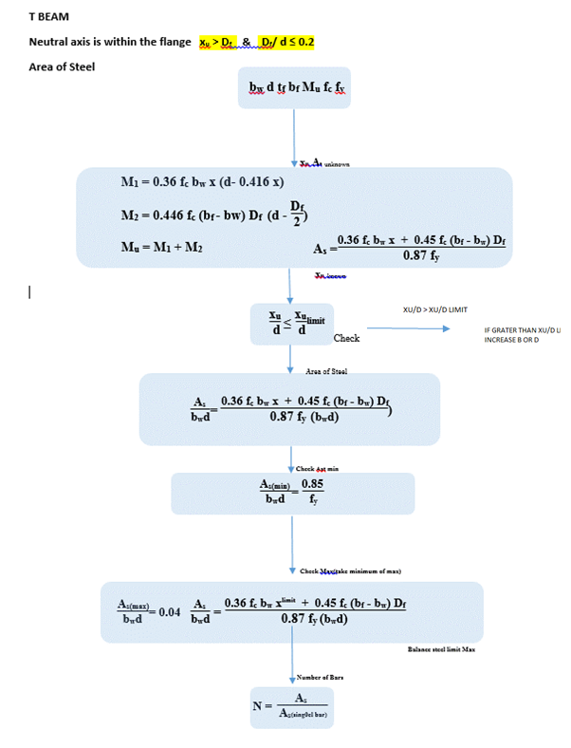

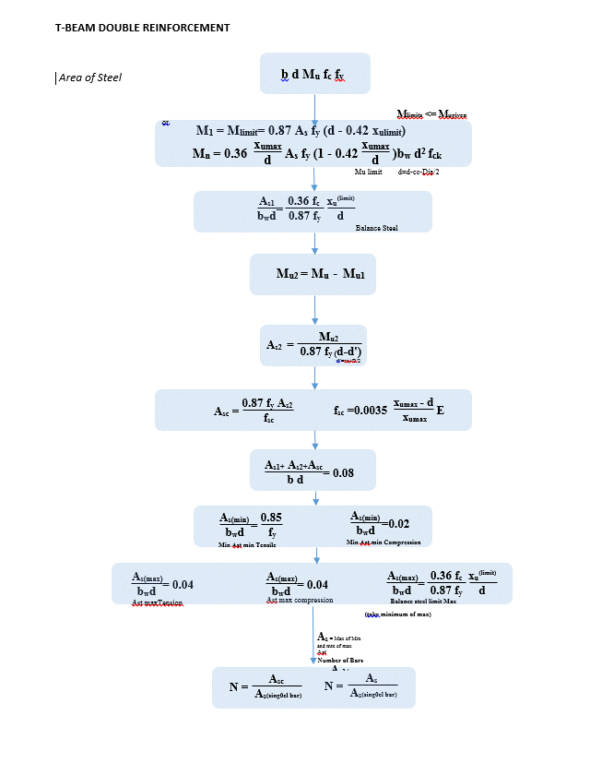

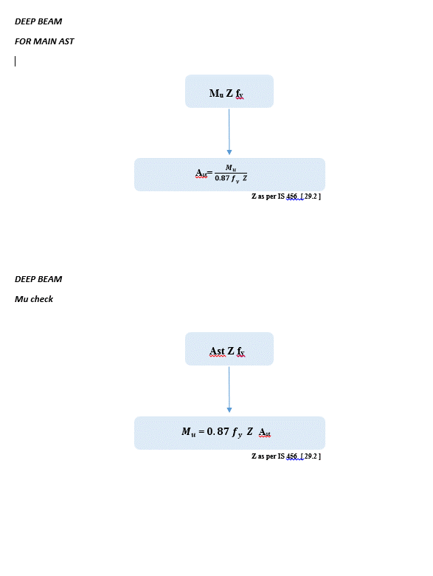

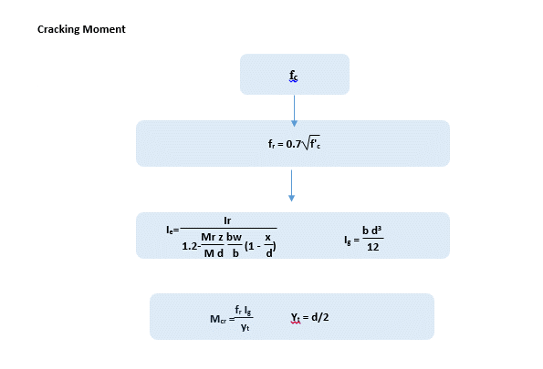

 | WORKING STRESS OR LIMIT STATE MATHOD ??

FLOWCHART
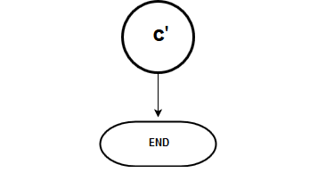
Flow Chart

FLOW CHARTS FOR EACH STEPS

 |  | SERICEABILITY B B'

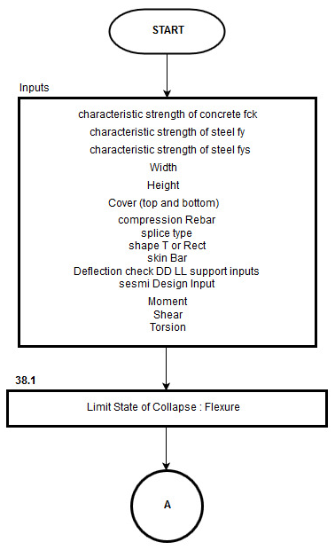

 |  |  |  | MOMENT CALCULATIONS

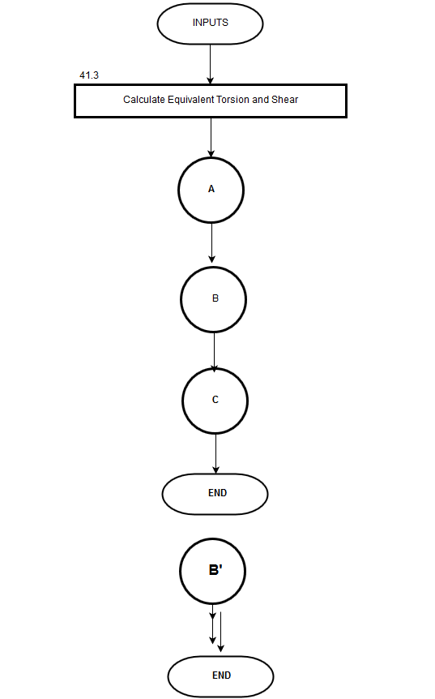
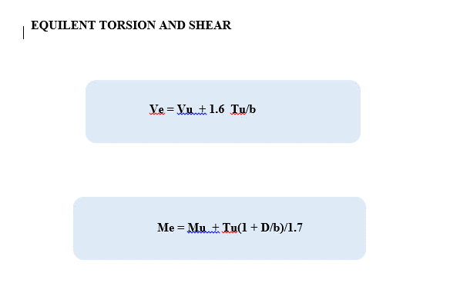
 |  |  |  |  | TORSION
 |  |  |  | Moment calculation for Single Reinforcement
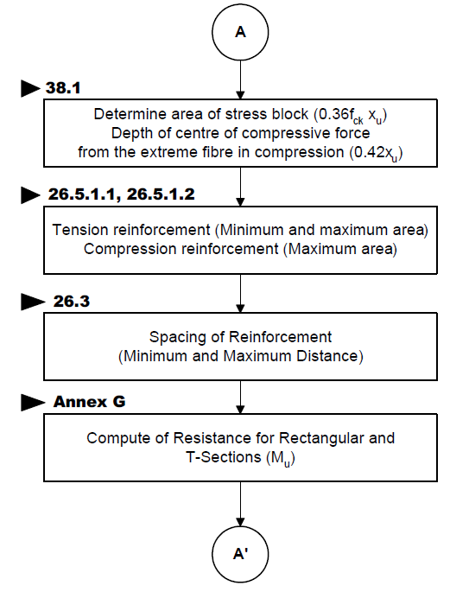


 | FLEXURE A A' |  |  | Moment calculation for Double Reinforcement

 |  |  |  | Moment calculation for T BEAM

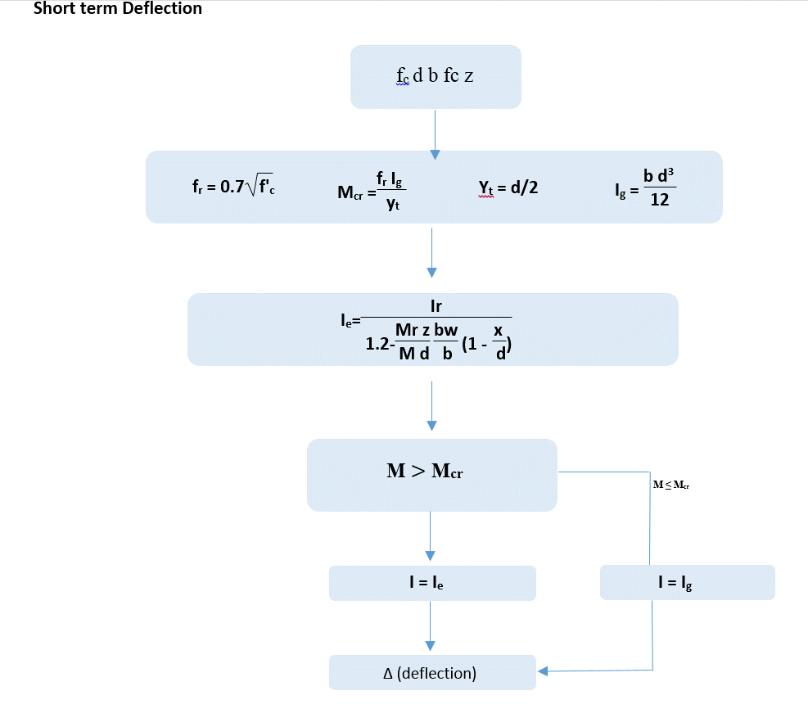
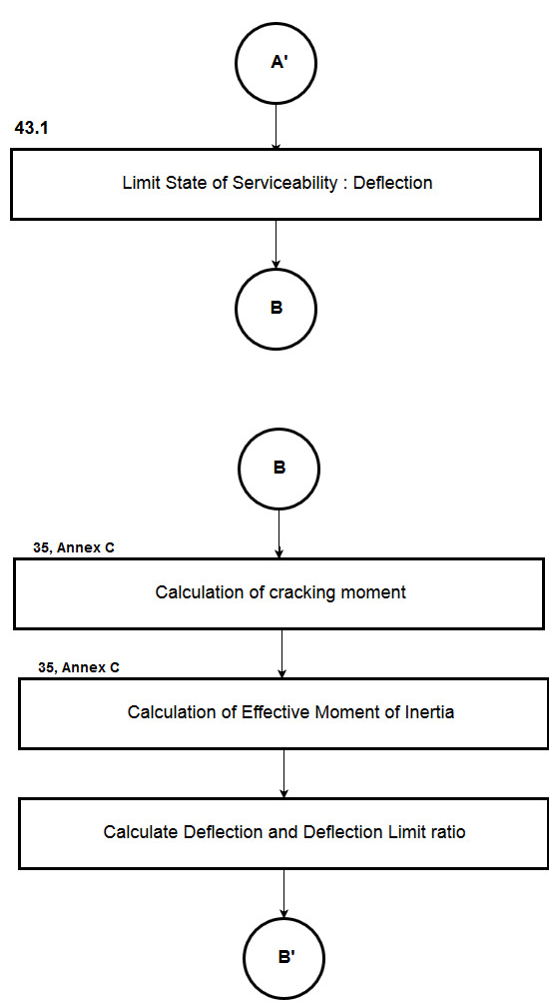
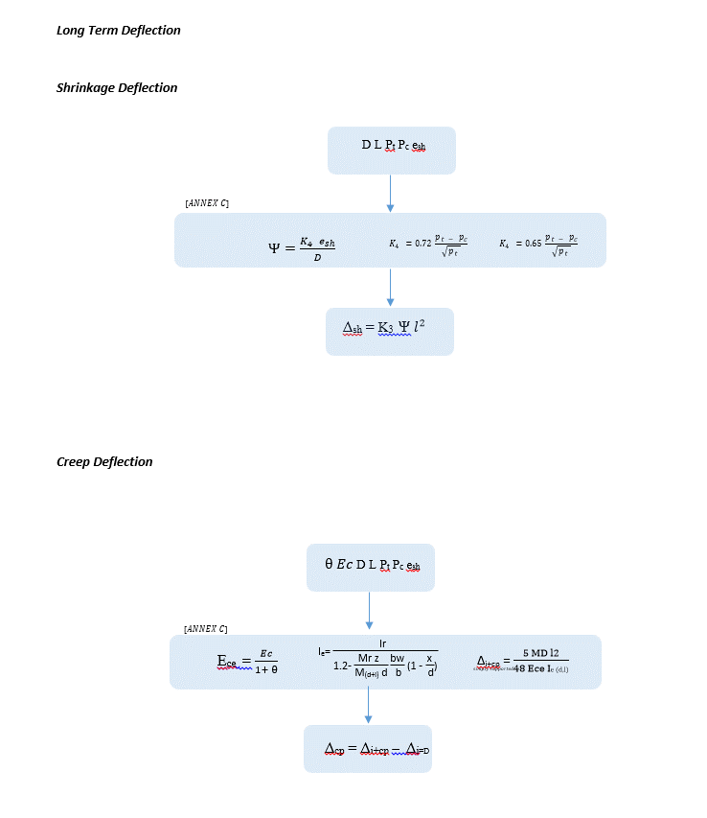

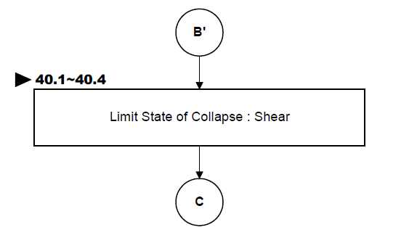
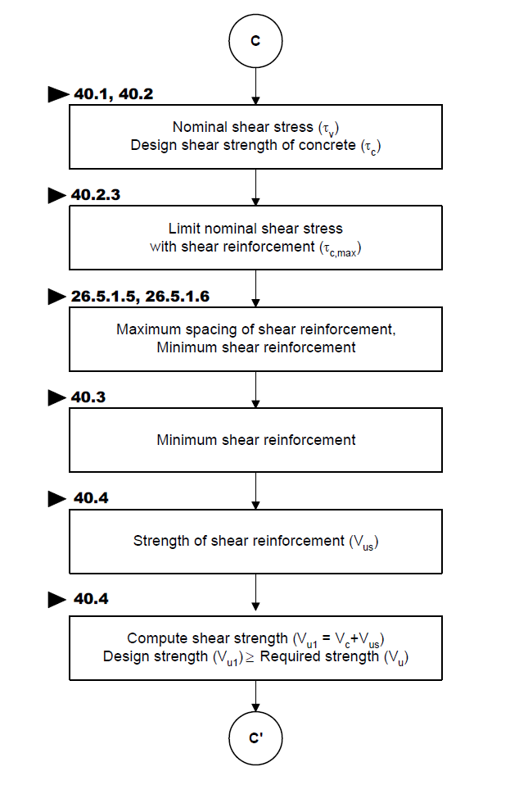

 |  |  | Shear Strength of Concrete

REPORT
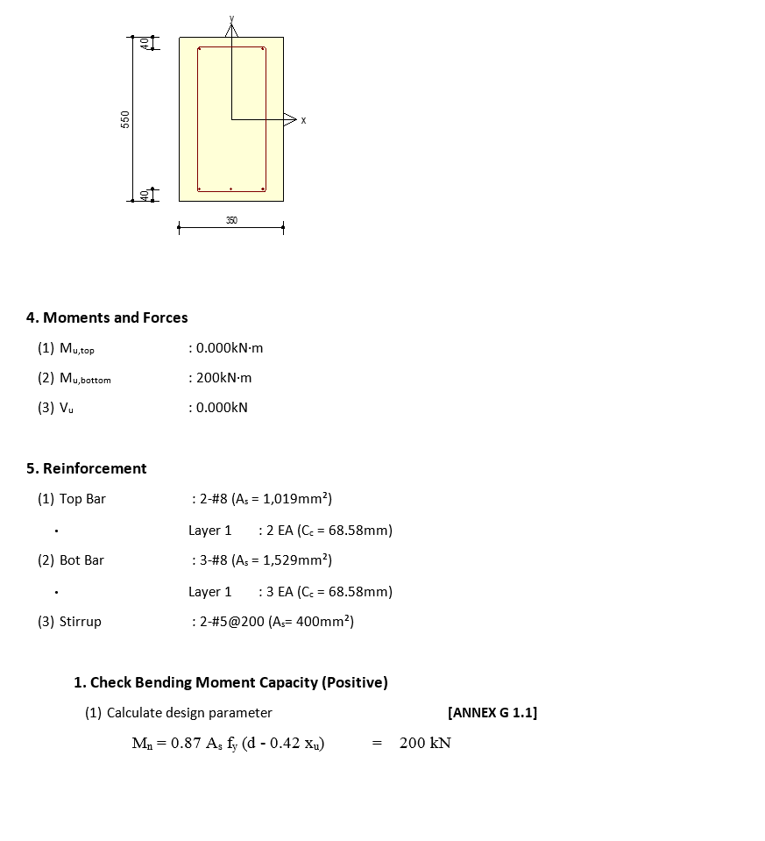
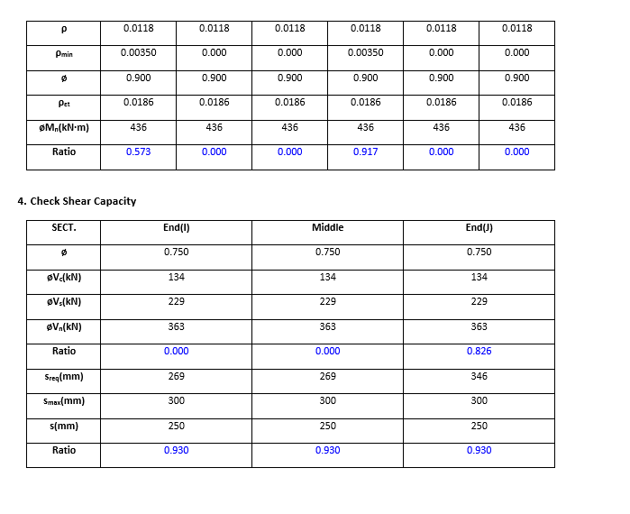
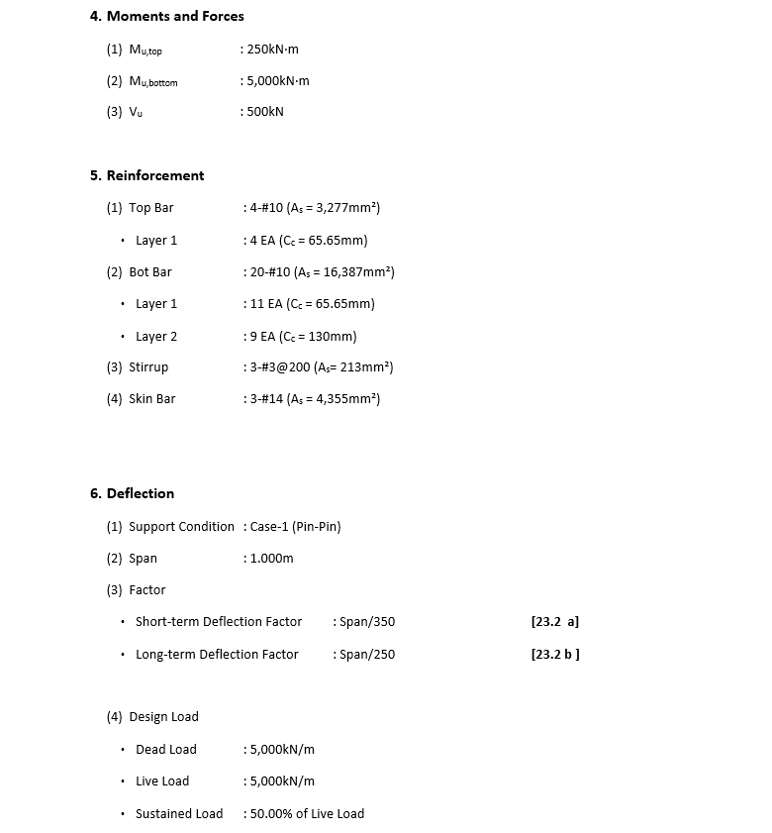
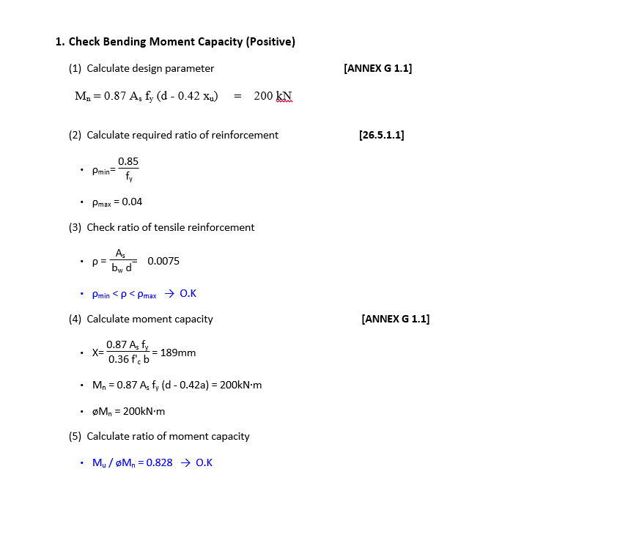
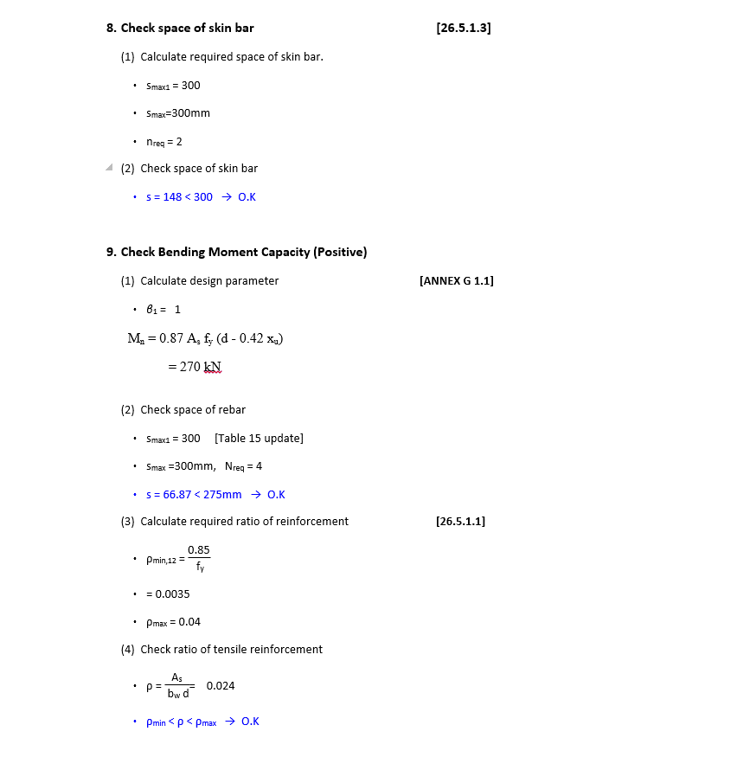
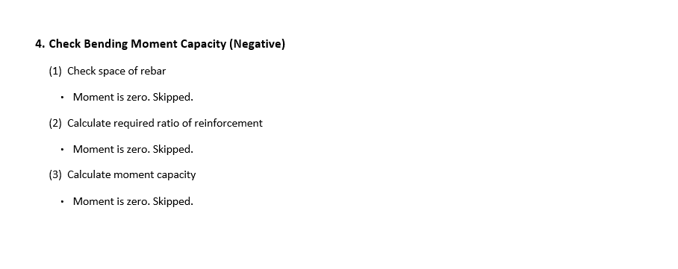
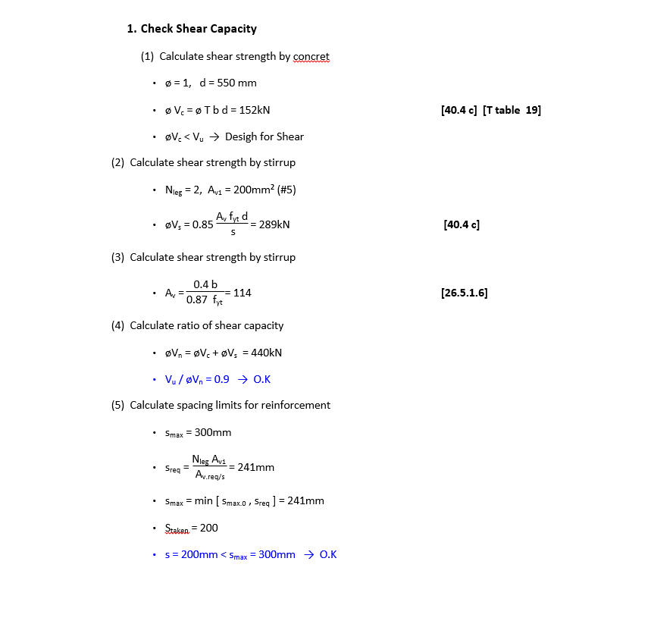
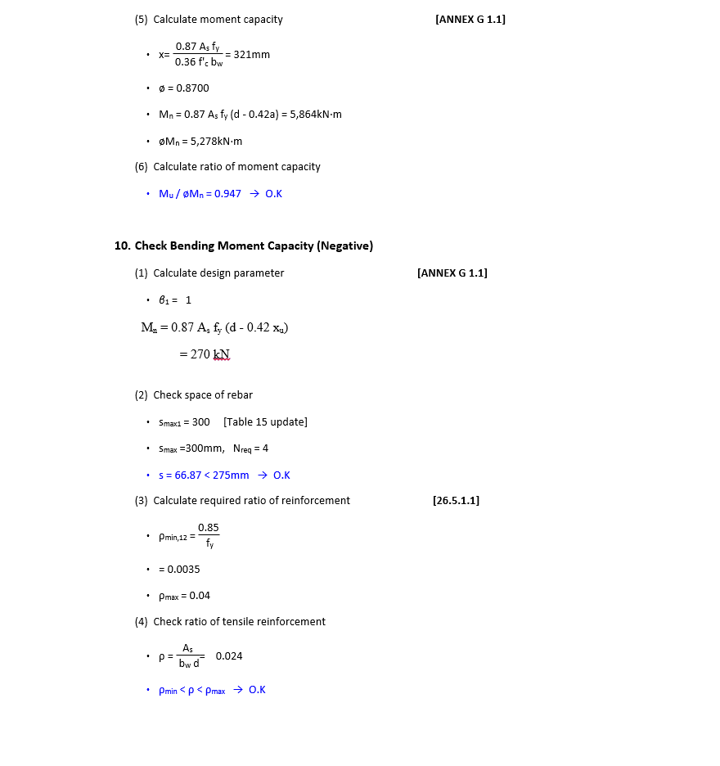
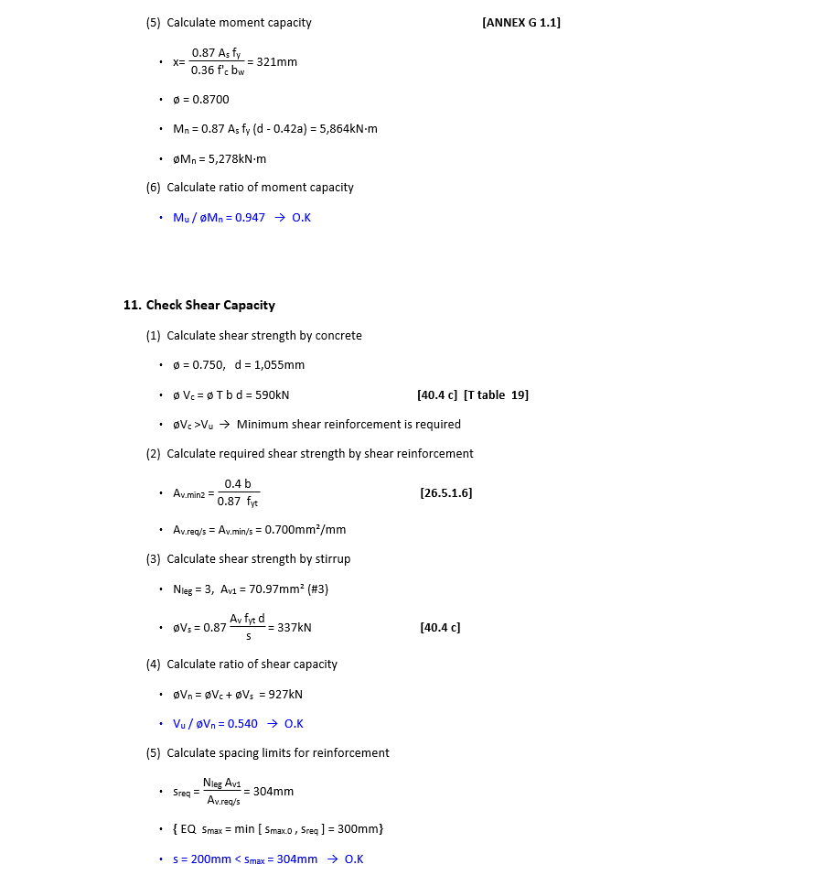
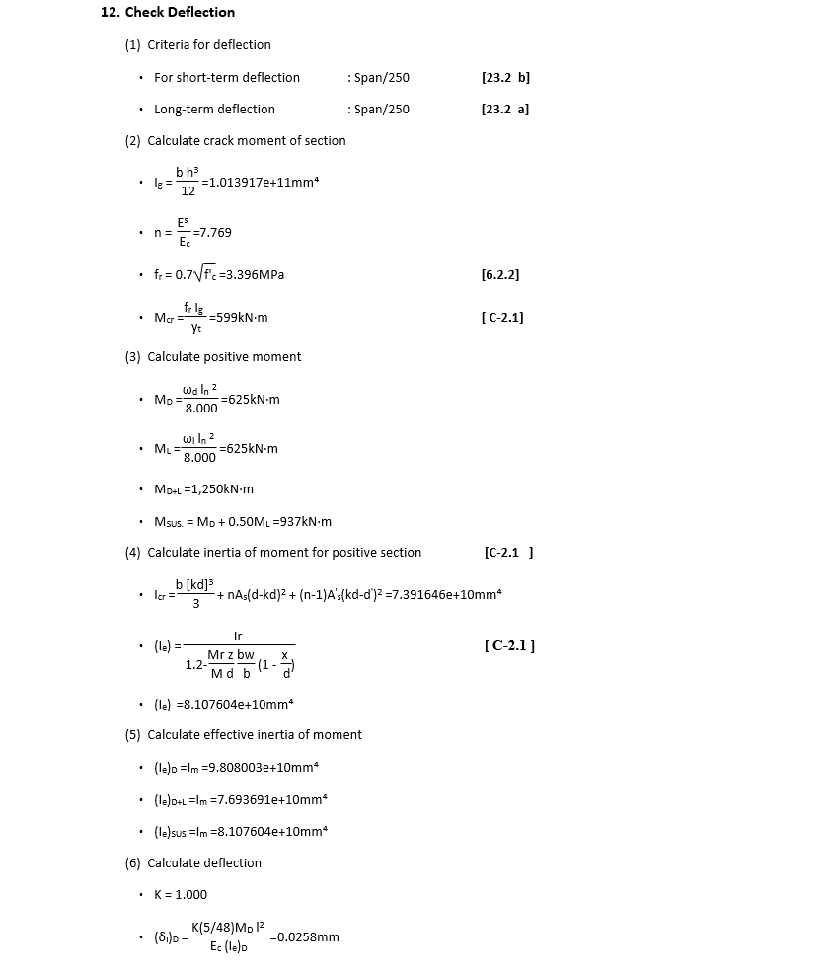
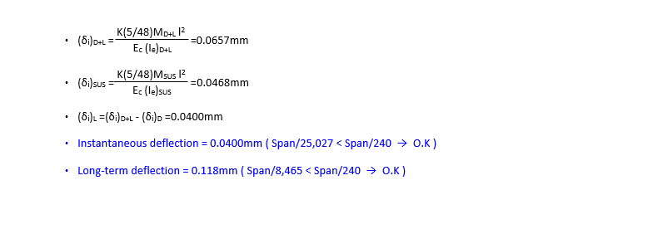
 | REPORT

EXPECTED REPORT

 |  |  |  | For T L deep Beam Change Moment Formullas
DETAIL REPORT |  | Double reinforcement deflection + skin reinforcement | Summary Report
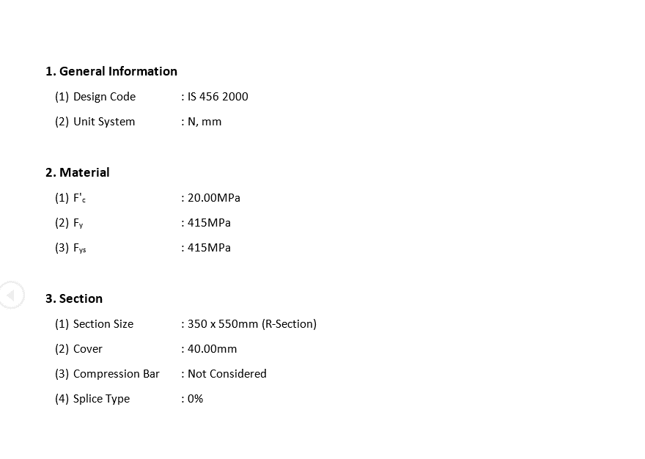



 |  |  |  |  |  | T BEAM

 |  |  |  |  |  |  | T BEAM

 |  |  |  |  | DEEP BEAM

